VLSM
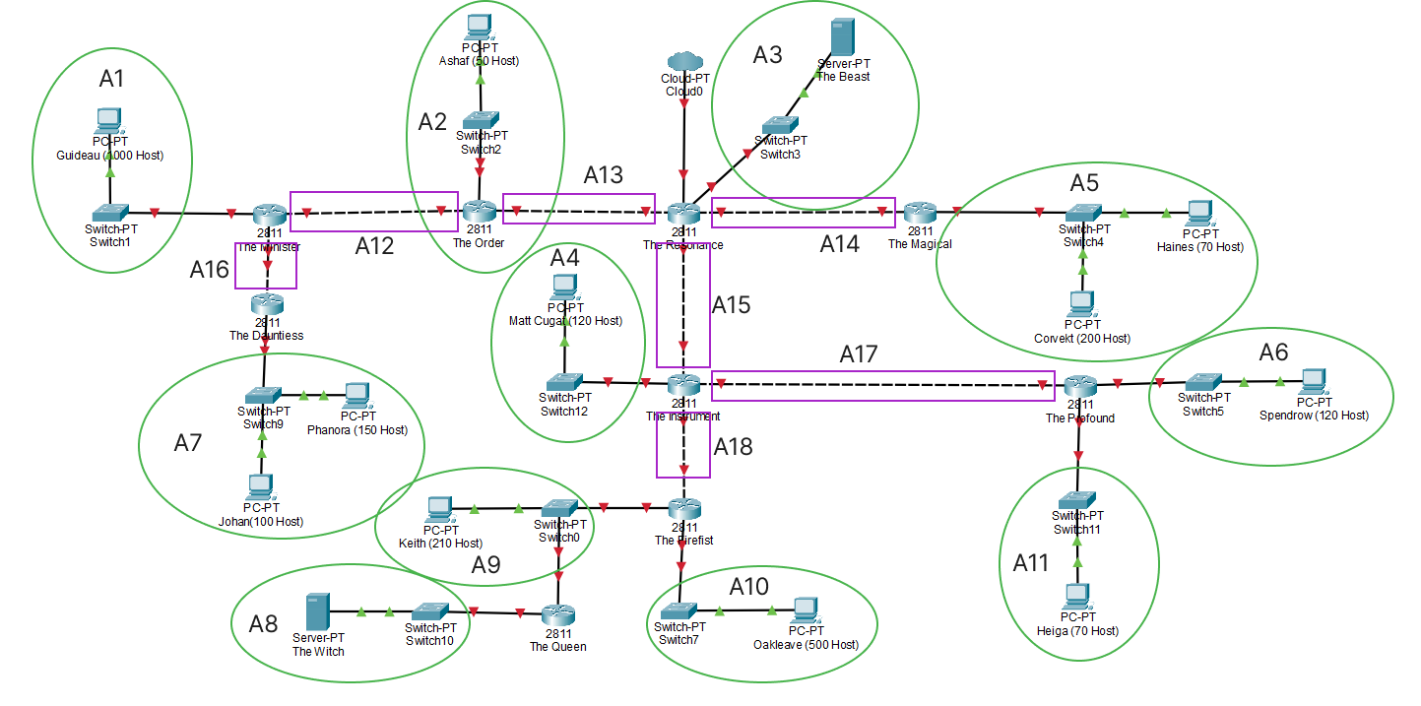
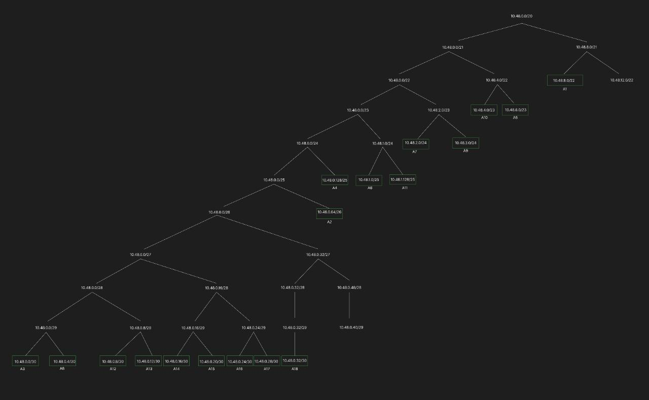
Nama Subnet | Size Diperlukan | Dialokasikan | Netmask | Subnet Mask | Network ID | Assignable IP Range | Broadcast Address
A3 | 2 | 2 | /30 | 255.255.255.252 | 10.48.0.0 | 10.48.0.1 - 10.48.0.2 | 10.48.0.3
A8 | 2 | 2 | /30 | 255.255.255.252 | 10.48.0.4 | 10.48.0.5 - 10.48.0.6 | 10.48.0.7
A12 | 2 | 2 | /30 | 255.255.255.252 | 10.48.0.8 | 10.48.0.9 - 10.48.0.10 | 10.48.0.11
A13 | 2 | 2 | /30 | 255.255.255.252 | 10.48.0.12 | 10.48.0.13 - 10.48.0.14 | 10.48.0.15
A14 | 2 | 2 | /30 | 255.255.255.252 | 10.48.0.16 | 10.48.0.17 - 10.48.018 | 10.48.0.19
A15 | 2 | 2 | /30 | 255.255.255.252 | 10.48.0.20 | 10.48.0.21 - 10.48.0.22 | 10.48.0.23
A16 | 2 | 2 | /30 | 255.255.255.252 | 10.48.0.24 | 10.48.0.25 - 10.48.0.26 | 10.48.0.27
A17 | 2 | 2 | /30 | 255.255.255.252 | 10.48.0.28 | 10.48.0.29 - 10.48.0.30 | 10.48.0.31
A18 | 2 | 2 | /30 | 255.255.255.252 | 10.48.0.32 | 10.48.0.33 - 10.48.0.34 | 10.48.0.35
A2 | 51 | 62 | /26 | 255.255.255.192 | 10.48.0.64 | 10.48.0.65 - 10.48.0.126 | 10.48.0.127
A4 | 121 | 126 | /25 | 255.255.255.128 | 10.48.0.128 | 10.48.0.129 - 10.48.0.254 | 10.48.0.255
A6 | 121 | 126 | /25 | 255.255.255.128 | 10.48.1.0 | 10.48.1.1 - 10.48.1.126 | 10.48.1.127
A11 | 71 | 126 | /25 | 255.255.255.128 | 10.48.1.128 | 10.48.1.129 - 10.48.1.254 | 10.48.1.255
A7 | 251 | 254 | /24 | 255.255.255.0 | 10.48.2.0 | 10.48.2.1 - 10.48.2.254 | 10.48.2.255
A9 | 212 | 254 | /24 | 255.255.255.0 | 10.48.3.0 | 10.48.3.1 - 10.48.3.245 | 10.48.3.255
A10 | 501 | 510 | /23 | 255.255.254.0 | 10.48.4.0 | 10.48.4.1 - 10.48.5.254 | 10.48.5.255
A5 | 271 | 510 | /23 | 255.255.254.0 | 10.48.6.0 | 10.48.6.1 - 10.48.7.254 | 10.48.7.255
A1 | 1001 | 1022 | /22 | 255.255.252.0 | 10.48.8.0 | 10.48.8.1 - 10.48.11.254 | 10.48.11.255
Total | 2618 |  | /20

